Sheet1
IMPORTANT: You must fill this form on your computer so that the correct information is calculated in the Office
Use Only box. Click on the fields to type or use the dropdowns. Do not print and write in the fields on a paper copy.
 | M00-7100V-A Flex Probe Determination Worksheet |  |  |  |  |  |  | How to Use This Form
 |  |  |  |  |  |  |  | Save this form to your computer before you begin.
 |  |  |  |  |  |  |  | IMPORTANT: All fields are required. Do not leave any field blank.

 |  |  |  |  |  |  |  | Type information in these fields | Dropdown fields: click to activate
Company Name
Purchase Order # |  |  |  | A Purchase Order # is required |  |  |  | Purchase Order #: You must include your PO number and attach a copy of your Purchase Order (complete with all shipping information) when you submit this form. FMS Customer Service cannot process your order without it.

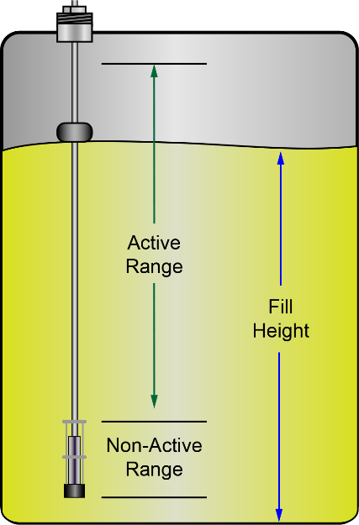
Diameter Of Entry | Unit of Measure | Unit of Measure cannot be blank |  |  |  |  |  | Diameter of Entry: Measure the inside diameter of the tank opening.
 |  |  |  |  |  |  |  | NOTE: The minimum diameter for product floats is 2 inches (51mm). The minimum diameter for water floats is 4 inches (102mm).
Minimum diameter of entry is 2 inches (51mm) for a product float and 4 inches (102mm) for a water float.
 |  |  |  |  | FALSE | Error |  | Insertion Length: Measure from the bottom of the tank to the top of the entry fitting. NOTE: The minimum length that can be ordered is 144 inches (12 feet, 366 cm, 3.66 m), maximum is 840 inches (70 feet, 2134 cm, 21.34 m).
 |  |  |  |  | UOM Convers. | Length in inches
Insertion length is measured from the bottom of the tank to the top of the entry fitting
Insertion Length | Unit of Measure | Unit of Measure cannot be blank |  |  | Error | FALSE |  | NOTE: If your installation requires a special lower thermistor location, check the box below the #RTDs field.
 |  |  |  |  | Active Span | Dia of Entry -Inch
 |  |  |  |  |  |  |  | NOTE: If CHEMICAL is selected in the Product Type dropdown, please contact OPW Fuel Management Systems at 708-485-4200 to ensure the probe and floats are compatible with the chemical you are using.
# RTDs | Product Float Type |  |  |  | Product Type | Water Float Error

FALSE |  |  |  |  | Product Float |  |  | BEFORE YOU SIGN AND SUBMIT THE FORM: Make sure that all fields are filled and correct. Make the necessary corrections if there are red alert messages.

Do you require a water float? |  | Select Yes or No |  |  |  |  |  | Sign and Submit the form: 1. Make sure all fields are filled out correctly. Make sure there are no red alert messages remaining on the sheet. 2. Save the form to your computer (keep this active form open so you can open the email dialogue in step 7). 3. Print the filled out form. 4. Sign the form on the line above where it says "Sign Here." 5. Enter the date in the Date Field. 6. Scan and Save the signed and dated form to your computer. 7. Click the Submit Form button of the form open on your computer. A Mailto: dialogue will open. 8. Attach the saved scanned form with your dated signature to the email. 9. Attach a copy of your Purchase Order (complete with all shipping information) to the email. 10. Type in any additional information in the email body. 11. Click the Send button in your email editor to send the form to:

Product Type
 |  |  |  | The Insertion Length Value is Incorrect!
 |  |  |  | Sign Here
 |  |  |  | Date:
IMPORTANT:
Before you click the Submit Form button, carefully read and follow
the Sign and Submit instructions at right. The Mailto: dialogue will
not automatically attach the signed form that you scanned to your
computer.Be sure to attach the signed, scanned copy of this form
and a copy of your PO before you send your email.

Note: When connecting AST 7100V probes, a 24Volt IS module (FMS part number 20-4345) is required. Each AST probe installed requires one (1) IS barrier position. |  |  |  |  |  |  |  | mailto:FMSOrders@doverfs.com

 | Office Use Only
 | PN | Floats | RTD | Length | Active Span
 | 7100V |  | 0 | Error | Error

 | Weight Kit |  |  | Floats
 | Pin |  |  | Product Float
 | 7" Weight |  |  | Water Float
 | # of Weights
 |  |  |  |  |  |  | M00-7100V-A_r2

